5 HP MOTOR
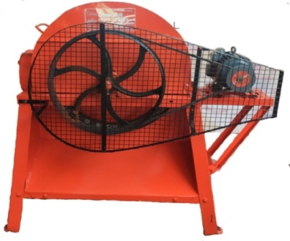 | CHAFFCUTER REVERSE FORWARD HEAVY DUTY FRONT FALL SYSTEM MOTOR OPERATED BRP - CC - 5 HP - 01
DESCRIPTION OF MATERIALS | ROUND MODEL DROP
CURRENT REQUIRED | ELECTRIC MOTOR OPEATED
MOTOR CAPACITY | 5 HP
MOTOR RPM | 1440
CURRENT LINE REQUIRED | THREE PHASE
CHAFF CUTTER BODY | MS
NO. OF BALDES | 3 NOS
BLADE QUALITY | HIGH CARBON STEEL
CHAFF CUTTER FEED MATERIAL | DRY AND GREEN FODDER
OUT PUT OF CHAFF CUTTER | 1000 KGS APPROX
NO. OF GEARS | 04 NOS
GREASE FOR GEAR | MP 3 GREASE
GEAR OIL FOR GEAR | SAE 90/40
CHANGING OF GEAR OIL / GREASE (APPROX ) | 30 DAYS
GREASING TO BE DONE | SMALL CUP ON BEARING
NO. OF BEARING | 2 NOS
GRINDING WHEEL | PROVIDED
SAFETY COVER | FOR ALMOST ALL PARTS

5 HP SINGLE BLOWER
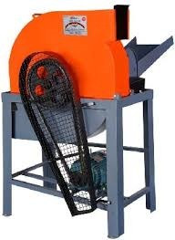 | CHAFFCUTTER SINGLE BLOWER REVERSE FORWARD GEAR MOTOR OPERATED BRP - CC - 5HP - 02
DESCRIPTION OF MATERIALS | ROUND MODEL DOUBLE BLOWER
CURRENT REQUIRED | ELECTRIC MOTOR
MOTOR CAPACITY | 5 HP MOTOR
MOTOR RPM | 1440
CURRENT LINE REQUIRED | THREE PHASE
CHAFF CUTTER BODY | IRON & BHEED
NO. OF BALDES | 3 NOS
BLADE QUALITY | HIGH CARBON STEEL
CHAFF CUTTER FEED MATERIAL | DRY & GREEN FODDER
CUTTING SIZE | 1/2 INCH
OUT PUT OF CHAFF CUTTER | 2000 KG PER HOUR
NO. OF GEARS | 2 NOS
GREASE FOR GEAR | 500 GNS
GEAR OIL FOR GEAR | SAE 90/40
CHANGING OF GEAR OIL / GREASE (APPROX ) | 30 DAYS
GREASING TO BE DONE | SMALL CUP ON BEARING
NO ROLLERS | 3 NOS
GRINDING WHEEL | PROVIDED
SAFETY COVER | FOR ALMOST ALL PARTS

5 HP DOUBLE BLOWER
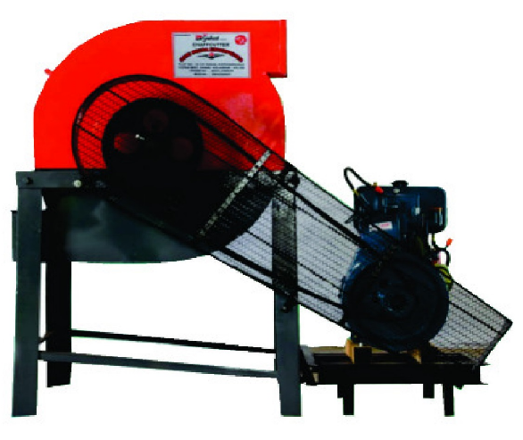 | CHAFFCUTTER DOUBLE BLOWER REVERSE FORWARD GEAR ENGINE OPERATED BRP - CC - 5HP - 03
DESCRIPTION OF MATERIALS | ROUND MODEL DOUBLE BLOWER
CURRENT REQUIRED | DIESEL ENGINE
MOTOR CAPACITY | 5 HP DIESEL ENGINE
MOTOR RPM | 1500
CURRENT LINE REQUIRED | 5 HP Three Phase
CHAFF CUTTER BODY | IRON & BHEED
NO. OF BALDES | 3 NOS
BLADE QUALITY | HIGH CARBON STEEL
CHAFF CUTTER FEED MATERIAL | DRY & GREEN FODDER
CUTTING SIZE | 1/2 INCH
OUT PUT OF CHAFF CUTTER | 2000 KG PER HOUR
NO. OF GEARS | 2 NOS
GREASE FOR GEAR | 500 GNS
GEAR OIL FOR GEAR | SAE 90/40
CHANGING OF GEAR OIL / GREASE (APPROX ) | 30 DAYS
GREASING TO BE DONE | SMALL CUP ON BEARING
NO ROLLERS | 3 NOS
GRINDING WHEEL | PROVIDED

